Sheet1
Factor | Section | Radius | Printing Temperature | Printing Speed | Fibre Feed Rate | Nylon Feed Rate
F-value | 261.63382 | 12.600996299 | 0.26559948362 | 0.13771219493 | 12.427310502 | 0.078724740305
P-value | 5.23E-75 | 4.81E-06 | 0.85018766139 | 0.93745665997 | 8.30E-08 | 0.97151224553
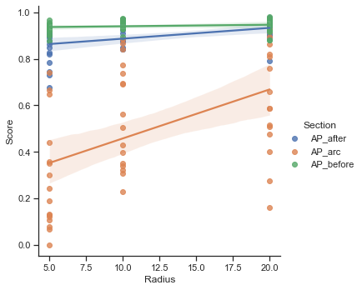
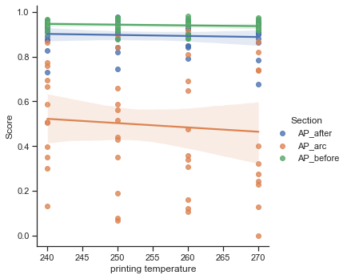
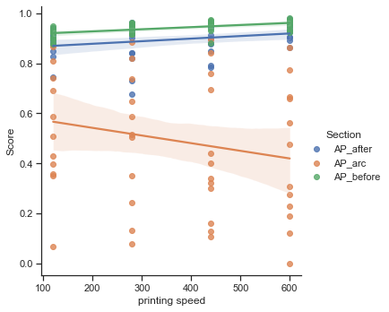
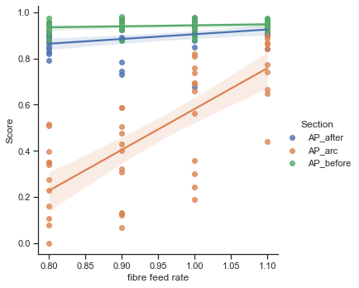
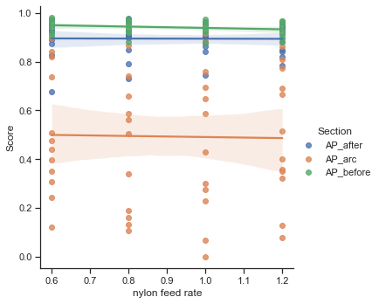
Diagram

